Energy_item
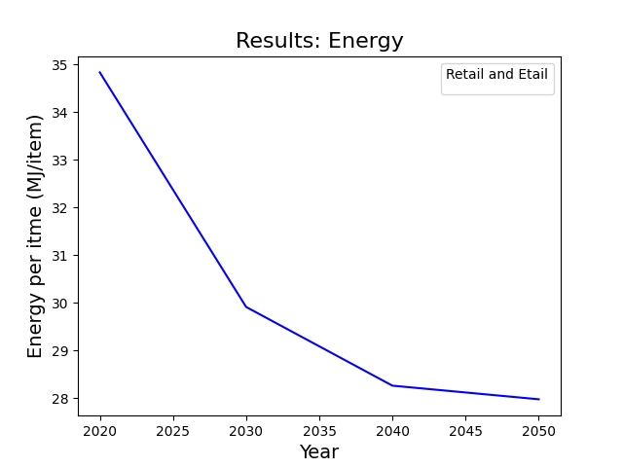
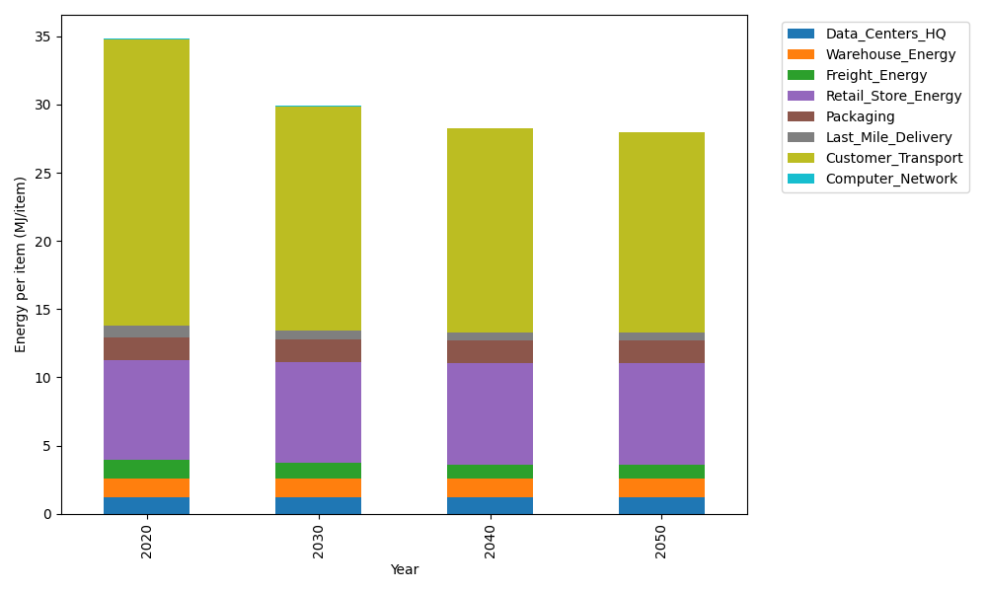
Years | Data_Centers_HQ | Warehouse_Energy | Freight_Energy | Retail_Store_Energy | Packaging | Last_Mile_Delivery | Customer_Transport | Computer_Network | Total
2020 | 1.2374141979 | 1.3410488455 | 1.3784807412 | 7.3100139929 | 1.6916682183 | 0.80808195028 | 21.025426433 | 0.042881298171 | 34.835015677
2030 | 1.2352718172 | 1.3271161228 | 1.1613753422 | 7.4274928124 | 1.6409622826 | 0.63538272703 | 16.448131345 | 0.038322286335 | 29.914054735
2040 | 1.2350053479 | 1.3253831714 | 1.0662043922 | 7.4421048224 | 1.6346554807 | 0.59209183503 | 14.929757999 | 0.037755236657 | 28.262958286
2050 | 1.2351847631 | 1.3265499769 | 1.0511972155 | 7.4322664771 | 1.6389018846 | 0.58621175836 | 14.669041781 | 0.038137034271 | 27.977490891

CO2_item
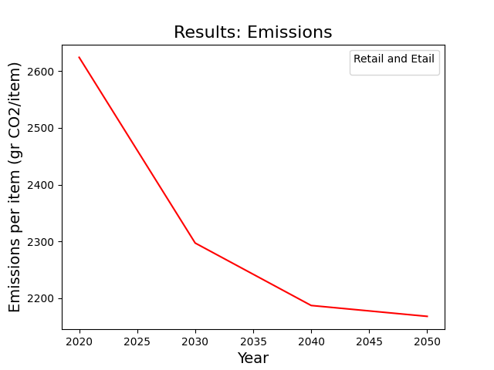
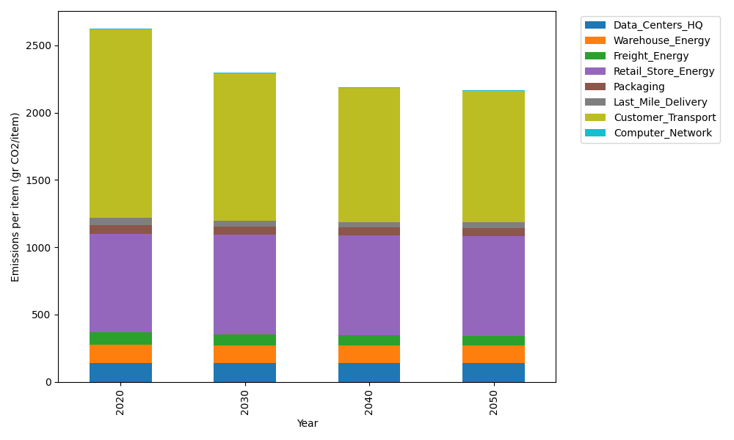
Years | Data_Centers_HQ | Warehouse_Energy | Freight_Energy | Retail_Store_Energy | Packaging | Last_Mile_Delivery | Customer_Transport | Computer_Network | Total
2020 | 140.14711191 | 133.87537195 | 93.866217976 | 728.99305529 | 65.522142061 | 55.469272717 | 1399.1215567 | 7.2330803936 | 2624.227809
2030 | 139.8644399 | 132.47832755 | 79.043907548 | 740.70866125 | 60.468748115 | 43.614657836 | 1094.5288176 | 6.4640808406 | 2297.1716406
2040 | 139.82928117 | 132.30456323 | 72.521086351 | 742.16584777 | 59.840207213 | 40.643035597 | 993.4897787 | 6.3684327123 | 2187.1622327
2050 | 139.85295373 | 132.42155968 | 71.484206673 | 741.18471621 | 60.2634072 | 40.239408742 | 976.1406095 | 6.4328331142 | 2168.0196949

